RFM 2D Distribution and Populat
Function Specification

Function Name : |  | RFM Analysis Overview |  |  |  |  |  | Function ID : |  |  | Requested By : |  |  | Requested Date :
Description : |  |  |  |  |  |  |  |  |  |  | Created By : |  |  | Created Date :
Application Name : |  | RFM 2D Distribution and Population |  |  |  |  |  | Function Type : | Screen |  | Approved By : |  |  | Approved Date :

Description
1. Objective |  |  |  |  |  |  |  |  | 4. Sample Screen

 | The dashboard aims to analyze and visualize key relationships and distributions within the dataset related to recency, frequency, and monetary value. It provides insights into customer behavior, engagement, and spending patterns, enabling data-driven decision-making. The scatter plots (Recency vs. Frequency, Monetary vs. Frequency, and Recency vs. Monetary Value) offer a comprehensive view of the correlations between these metrics. Additionally, the population distribution line charts (Recency, Frequency, and Monetary) present an overview of the concentration of individuals within specific ranges, allowing for better understanding and interpretation of customer segments and trends.

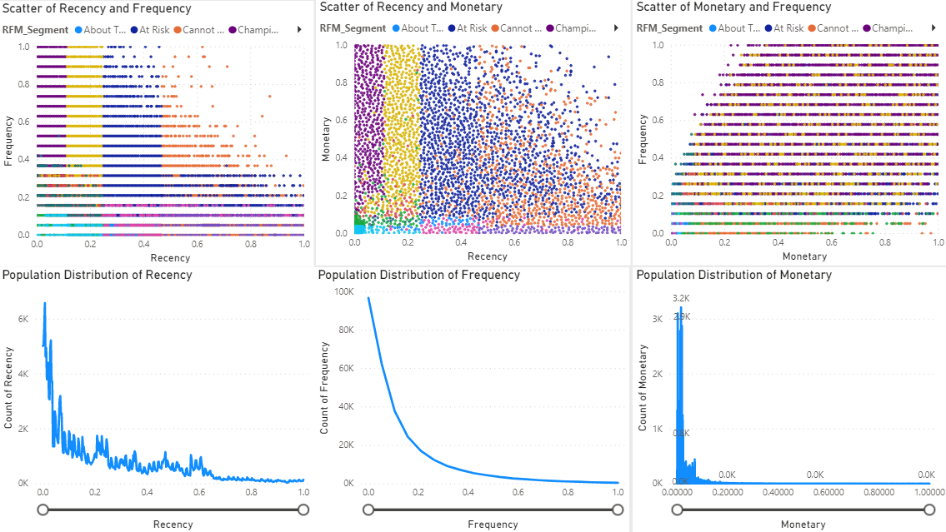
2. User Authorization

No. | User Group |  | Read | Create | Update | Delete | Remark
1 | CRM Team |  | O

3. Field Description

No. | Field Name |  | Type | Description |  |  |  | Format

 | Recency vs. Frequency (Scatter Plot) |  | Chart | scatter plot that is useful for selecting a cutoff point to eliminate outliers. By examining the scatter plot, you can identify any data points that exhibit unusual or extreme values in terms of their Recency, Frequency and Monetary Value. These outliers may represent customers with atypical purchasing behaviors or spending amounts. By establishing a cutoff point, you can determine which data points to consider as outliers and potentially exclude them to ensure the analysis focuses on more typical customer |  |  |  | X-axis: Recency Y-axis: Frequency
 | Monetary vs. Frequency (Scatter Plot) |  | Chart |  |  |  |  | X-axis: Recency Y-axis: Monetary
 | Recency vs. Monetary Value (Scatter Plot) |  | Chart |  |  |  |  | X-axis: Monetary Y-axis: Frequency
 | Population Distribution of Recency (Line chart) |  | Chart | Line chart illustrates the distribution of the population based on their normalized recency values, ranging from 0 to 1. The X-axis represents the normalized recency, indicating how recently individuals have engaged in certain activities or events, with 0 being the least recent and 1 being the most recent. The Y-axis displays the count of people falling within each recency category. |  |  |  | X-axis: Normalized Recency Y-axis: Count of People
 | Population Distribution of Frequency (Line chart) |  | Chart | In this Line chart, the population is analyzed based on their normalized frequency of occurrences, varying from 0 to 1. The X-axis depicts the normalized frequency values, indicating how often individuals engage in specific events or activities, with 0 representing the lowest frequency and 1 indicating the highest frequency. The Y-axis shows the count of people corresponding to each frequency category. |  |  |  | X-axis: Normalized Frequency Y-axis: Count of People
 | Population Distribution of Monetary (Line chart) |  | Chart | Line chart presents the population distribution concerning their normalized monetary behavior, ranging from 0 to 1. The X-axis represents the normalized monetary values, which highlight the spending patterns or financial activities of individuals within the specified range, where 0 signifies the lowest monetary activity and 1 denotes the highest. The Y-axis denotes the count of people associated with each monetary category. |  |  |  | X-axis: Normalized Monetary Y-axis: Count of People

 |  |  |  |  |  |  |  |  | 5. Button - No Button

Sample User Profile Search |  |  |  |  |  |  |  |  | No. | Button Name | Condition to show | Action | Validation | Type | Event

No. | Sample Screen |  | Remarks
1 | Found data |  | Data will show all data interface from HR both of status
2 | Not found data |  | When search data and not found

RFM 3D Distribution and Centroi
Function Specification

Function Name : |  | RFM 3D Distribution and Centroids |  |  |  |  |  | Function ID : |  |  | Requested By : |  |  | Requested Date :
Description : |  |  |  |  |  |  |  |  |  |  | Created By : |  |  | Created Date :
Application Name : |  | RFM Analysis |  |  |  |  |  | Function Type : | Screen |  | Approved By : |  |  | Approved Date :

Description
1. Objective |  |  |  |  |  |  |  |  | 4. Sample Screen

 | This dashboard visualizes the relationships between different RFM dimensions (R, F, and M) using scatter plots. It includes scatter plots of R vs. F, M vs. F, and R vs. M, highlighting the correlations between these variables. It also features a 3D scatter plot showcasing the relationship among R, F, and M. Lastly, it presents a 3D scatter plot displaying the centroids of each RFM segment for a comprehensive understanding of segment characteristics.
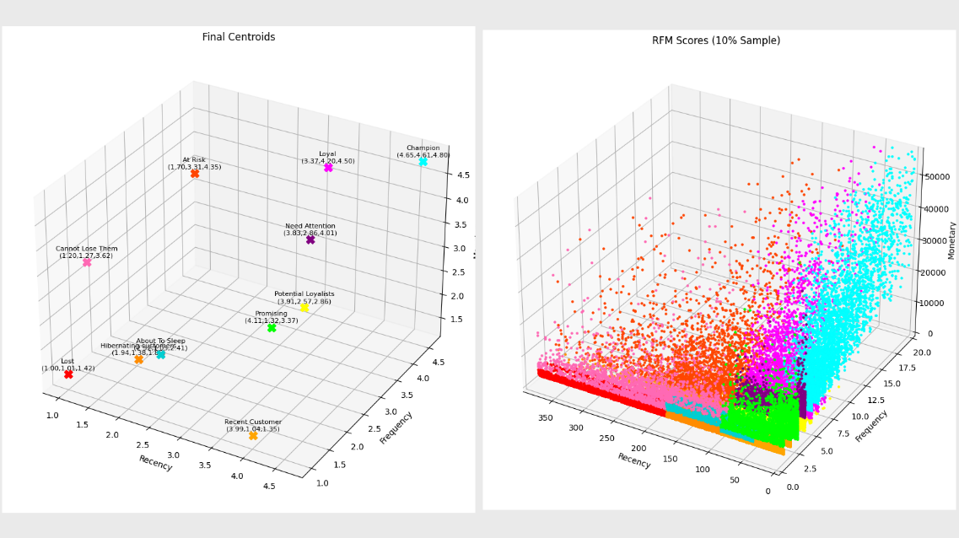

2. User Authorization

No. | User Group |  | Read | Create | Update | Delete | Remark
1 | CRM Team |  | O

3. Field Description

No. | Field Name |  | Type | Description |  |  |  | Format

1 | Centroid of Each RFM Segment (3D Scatter Plot) |  | Chart | visualizing the distinct clusters formed by different RFM segments. The centroids represent the scores values (1-5) of Recency, Frequency, and Monetary Value for each segment, providing insights into the typical behaviors and characteristics of customers within each segment. |  |  |  | X-axis: R_Score Y-axis: F_Score Z-axis: M_Score
2 | Recency vs. Frequency vs. Monetary (3D Scatter Plot) |  | Chart | scatter plot is useful for selecting a cutoff point to eliminate outliers. By examining the scatter plot, you can identify any data points that exhibit unusual or extreme values in terms of their Recency, Frequency and Monetary Value. These outliers may represent customers with atypical purchasing behaviors or spending amounts. By establishing a cutoff point, you can determine which data points to consider as outliers and potentially exclude them to ensure the analysis focuses on more typical customer |  |  |  | X-axis: Recency Y-axis: Frequency Z-axis: Monetary

 |  |  |  |  |  |  |  |  | 5. Button - No Button

Sample User Profile Search |  |  |  |  |  |  |  |  | No. | Button Name | Condition to show | Action | Validation | Type | Event

No. | Sample Screen |  | Remarks
1 | Found data |  | Data will show all data interface from HR both of status
2 | Not found data |  | When search data and not found

Accumulative Population Distrib
Function Specification

Function Name : |  | Accumulative Population Distribution |  |  |  |  |  | Function ID : |  |  | Requested By : |  |  | Requested Date :
Description : |  |  |  |  |  |  |  |  |  |  | Created By : |  |  | Created Date :
Application Name : |  | RFM Analysis |  |  |  |  |  | Function Type : | Screen |  | Approved By : |  |  | Approved Date :

Description
1. Objective |  |  |  |  |  |  |  |  | 4. Sample Screen

 | Dashboard illustrate how the population count progressively increases as the target value rises from 0 to a specific value. The graph plots the cumulative count of individuals, representing the number of people falling within or below each target value, on the Y-axis against the corresponding target value on the X-axis. By observing the upward trend in the graph, users can identify the cutoff point for outliers, helping them gain insights into the overall population distribution and make informed decisions regarding extreme data points.
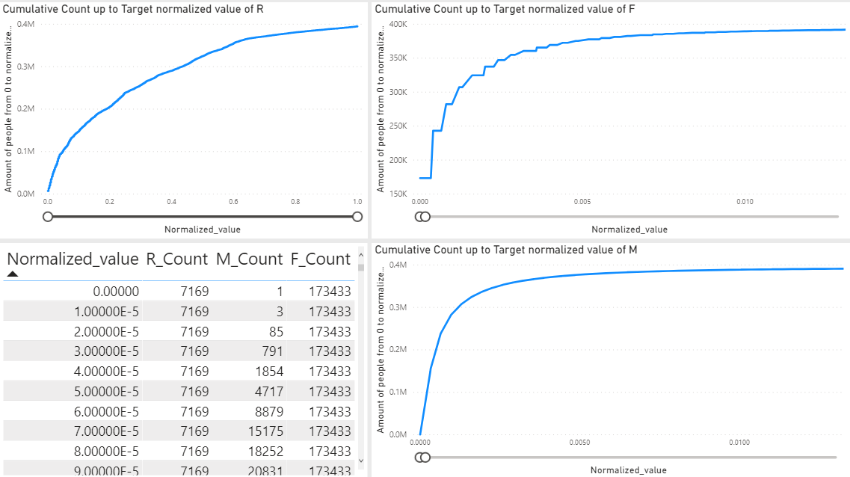

2. User Authorization

No. | User Group |  | Read | Create | Update | Delete | Remark
1 | CRM Team |  | O

3. Field Description

No. | Field Name |  | Type | Description |  |  |  | Format

1 | Cumulative Count up to Target normalized value of R (Line chart) |  | Chart | Line graph that illustrates the progressive accumulation of counts as the normalized values of "R" increase from 0 to the target value. The X-axis represents the normalized values of R or F or M while the Y-axis displays the cumulative count of occurrences at each corresponding normalized value. This chart provides valuable insights into the trend and density of occurrences related to the specific metric or variable R or F or M helping identify critical thresholds and cutoff percentile for outliner |  |  |  | X-axis: Normalized Recency Y-axis: Count of People
2 | Cumulative Count up to Target normalized value of F (Line chart) |  | Chart |  |  |  |  | X-axis: Normalized Frequency Y-axis: Count of People
3 | Cumulative Count up to Target normalized value of M (Line chart) |  | Chart |  |  |  |  | X-axis: Normalized Monetary Y-axis: Count of People
4 | Table of normalized value and cumulative count of R, F and M (Table) |  | Table | Table that provide a comprehensive view of how the population count accumulates within the range from 0 up to a specific target value. By plotting the sum of people count on the Y-axis against the target value on the X-axis, the graph shows the cumulative number of individuals falling within or below each target value.

 |  |  |  |  |  |  |  |  | 5. Button - No Button

Sample User Profile Search |  |  |  |  |  |  |  |  | No. | Button Name | Condition to show | Action | Validation | Type | Event

No. | Sample Screen |  | Remarks
1 | Found data |  | Data will show all data interface from HR both of status
2 | Not found data |  | When search data and not found

Outlier Overview
Function Name : |  | Outlier Overview |  |  |  |  |  | Function ID : |  |  | Requested By : |  |  | Requested Date :
Description : |  |  |  |  |  |  |  |  |  |  | Created By : |  |  | Created Date :
Application Name : |  | RFM Analysis |  |  |  |  |  | Function Type : | Screen |  | Approved By : |  |  | Approved Date :

Description
1. Objective |  |  |  |  |  |  |  |  | 4. Sample Screen

 | The dashboard aims to provide a comprehensive overview of the population distribution, specifically focusing on outliers and the upper and lower bounds of three metrics: Recency (R), Frequency (F), and Monetary Value (M). The visual representations aid in understanding the composition of various segments within the dataset and enable data-driven decision-making, such as targeted marketing strategies or identifying high-value customers.
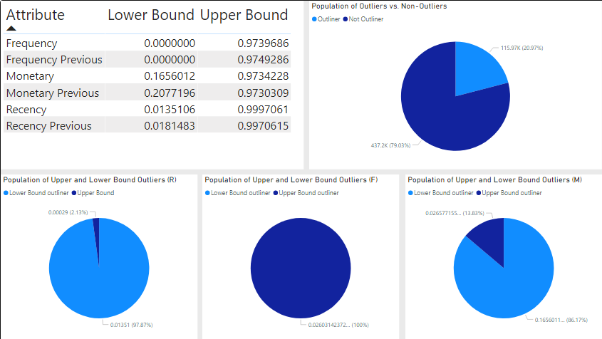

2. User Authorization

No. | User Group |  | Read | Create | Update | Delete | Remark
1 | CRM Team |  | O

3. Field Description

No. | Field Name |  | Type | Description |  |  |  | Format

1 | Table of cutouff percentile (Table) |  | Table | show cuttoff percentile of R, F, M value
2 | Population of Outliers vs. Non-Outliers (Pie chart) |  | Chart | pie chart presents the distribution of the population into two segments: outliers and non-outliers. Outliers are data points that significantly deviate from the majority of observations, while non-outliers represent the more typical data points. This chart helps understand the extent of extreme observations within the dataset. |  |  |  | Value: count of population Legend: outliner, Not outliner
3 | Population of Upper and Lower Bound Outliers (R) (Pie chart) |  | Chart | illustrates the distribution of individuals categorized as either upper bound outliers or lower bound outliers in the Recency (R) metric. |  |  |  | Value: count of population Legend: lower bound, upper bound
4 | Population of Upper and Lower Bound Outliers (F) (Pie chart) |  | Chart | displays the proportion of individuals classified as either upper bound outliers or lower bound outliers in the Frequency (F) metric. |  |  |  | Value: count of population Legend: lower bound, upper bound
5 | Population of Upper and Lower Bound Outliers (M) (Pie chart) |  | Chart | showcases the distribution of individuals identified as either upper bound outliers or lower bound outliers in the Monetary Value (M) metric. |  |  |  | Value: count of population Legend: lower bound, upper bound

 |  |  |  |  |  |  |  |  | 5. Button - No Button

Sample User Profile Search |  |  |  |  |  |  |  |  | No. | Button Name | Condition to show | Action | Validation | Type | Event

No. | Sample Screen |  | Remarks
1 | Found data |  | Data will show all data interface from HR both of status
2 | Not found data |  | When search data and not found

RFM segment popularity and aver
Function Name : |  | RFM segment popularity and average sales per segment |  |  |  |  |  | Function ID : |  |  | Requested By : |  |  | Requested Date :
Description : |  |  |  |  |  |  |  |  |  |  | Created By : |  |  | Created Date :
Application Name : |  | RFM Analysis |  |  |  |  |  | Function Type : | Screen |  | Approved By : |  |  | Approved Date :

Description
1. Objective |  |  |  |  |  |  |  |  | 4. Sample Screen

 | The objective of this dashboard is to provide a comprehensive analysis of population segmentation based on outliers and the upper and lower bounds of three metrics: Recency (R), Frequency (F), and Monetary Value (M). The dashboard utilizes four different charts to visualize and compare key insights
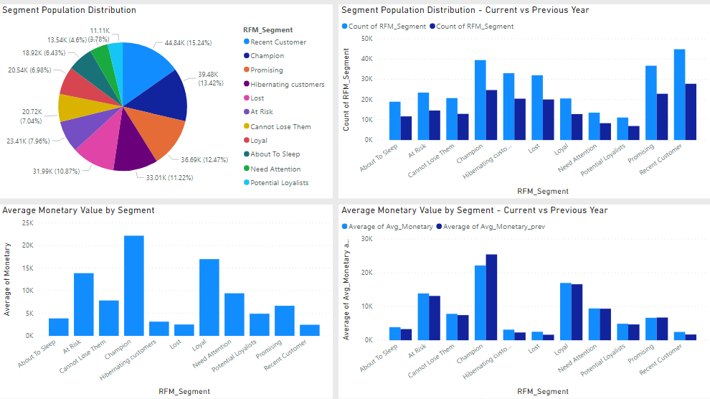

2. User Authorization

No. | User Group |  | Read | Create | Update | Delete | Remark
1 | CRM Team |  | O

3. Field Description

No. | Field Name |  | Type | Description |  |  |  | Format

1 | Segment Population Distribution (Pie chart) |  | Chart | Pie chart displays the distribution of the population across various segments. Each segment represents a specific grouping based on certain metrics or criteria. The chart allows for an intuitive understanding of the proportion of individuals in each segment, providing insights into the size and composition of the different segments |  |  |  | Value: count population Legend: RFM segment
2 | Segment Population Distribution - Current vs Previous Year (Cluster bar chart) |  | Chart | cluster bar chart that compares the population distribution of each segment between the current year and the previous year. It provides two sets of bars side-by-side for each segment, one representing the population count in the current year and the other representing the population count in the previous year. This chart helps identify any shifts or changes in the distribution of the population across segments, facilitating trend analysis and understanding segment growth or decline. |  |  |  | Value: count population, count population previous year Legend: RFM segment
3 | Average Monetary Value by Segment (Bar chart) |  | Chart | bar chart showcases the average monetary value in each segment. By presenting the average monetary value on the Y-axis and segment labels on the X-axis, this chart enables a comparison of spending patterns or behaviors between the segments. |  |  |  | Value: Avg Monetary Legend: RFM segment
4 | Average Monetary Value by Segment - Current vs Previous Year (Cluster bar chart) |  | Chart | cluster bar chart comparing the average monetary value of each segment between the current year and the previous year. Similar to the previous chart, it presents two sets of bars for each segment, representing the average monetary value in the current year and the average monetary value in the previous year. This chart helps identify changes in spending patterns or customer behavior across segments over time. |  |  |  | Value: Avg Monetary, Avg Monetary previous year Legend: RFM segment

 |  |  |  |  |  |  |  |  | 5. Button - No Button

Sample User Profile Search |  |  |  |  |  |  |  |  | No. | Button Name | Condition to show | Action | Validation | Type | Event

No. | Sample Screen |  | Remarks
1 | Found data |  | Data will show all data interface from HR both of status
2 | Not found data |  | When search data and not found

